Sheet 1
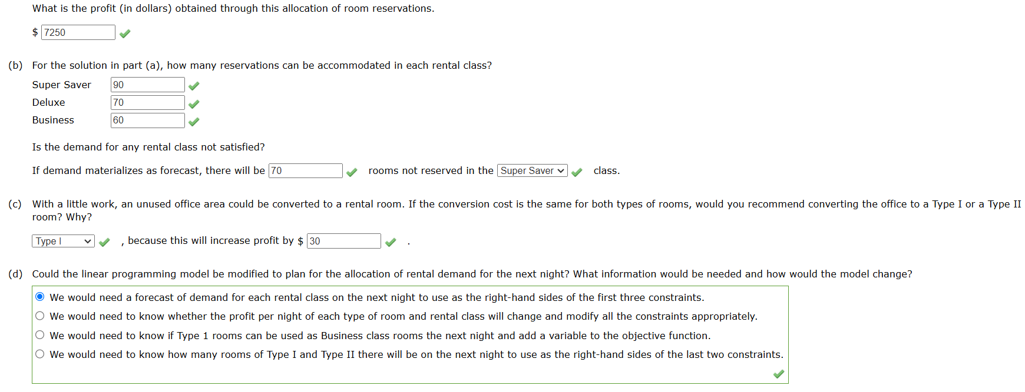
Round Tree Manor is a hotel that provides two types of rooms with three rental classes: Super Saver, Deluxe, and Business. The profit per night for each type of room and rental class is as follows.
Round Tree's management makes a forecast of the demand by rental class for each night in the future. A linear programming model developed to maximize profit is used to determine how many reservations to accept for each rental class. The demand forecast for a particular night is 160 rentals in the Super Saver class, 70 rentals in the Deluxe class, and 60 rentals in the Business class. Since these are the forecasted demands, Round Tree will take no more than these amounts of each reservation for each rental class. Round Tree has a limited number of each type of room. There are 100 Type I rooms and 120 Type II rooms.
(a)
Formulate and solve a linear program to determine how many reservations to accept in each rental class and how the reservations should be allocated to room types. (Assume S₁ is the number of Super Saver rentals allocated to room type I, S₂ is the number of Super Saver rentals allocated to room type II, D₁ is the number of Deluxe rentals allocated to room type I, D₂ is the number of Deluxe rentals allocated to room type II, B₂ is the number of Business rentals allocated to room type II. Write your answers expressing the amount allocated in dollars.)
Round Tree Manor
Parameters

 |  | S1 | D1 | B1
 | Profit | Super Saver | Deluxe | Business
 | Type 1 | 30 | 35
 | Type 2 | 20 | 30 | 40
 |  | S2 | D2 | B2
Model
Objective | 7250

 | Number | Super Saver | Deluxe | Business
 | Type 1 | 90 | 10
 | Type 2 | 0 | 60 | 60

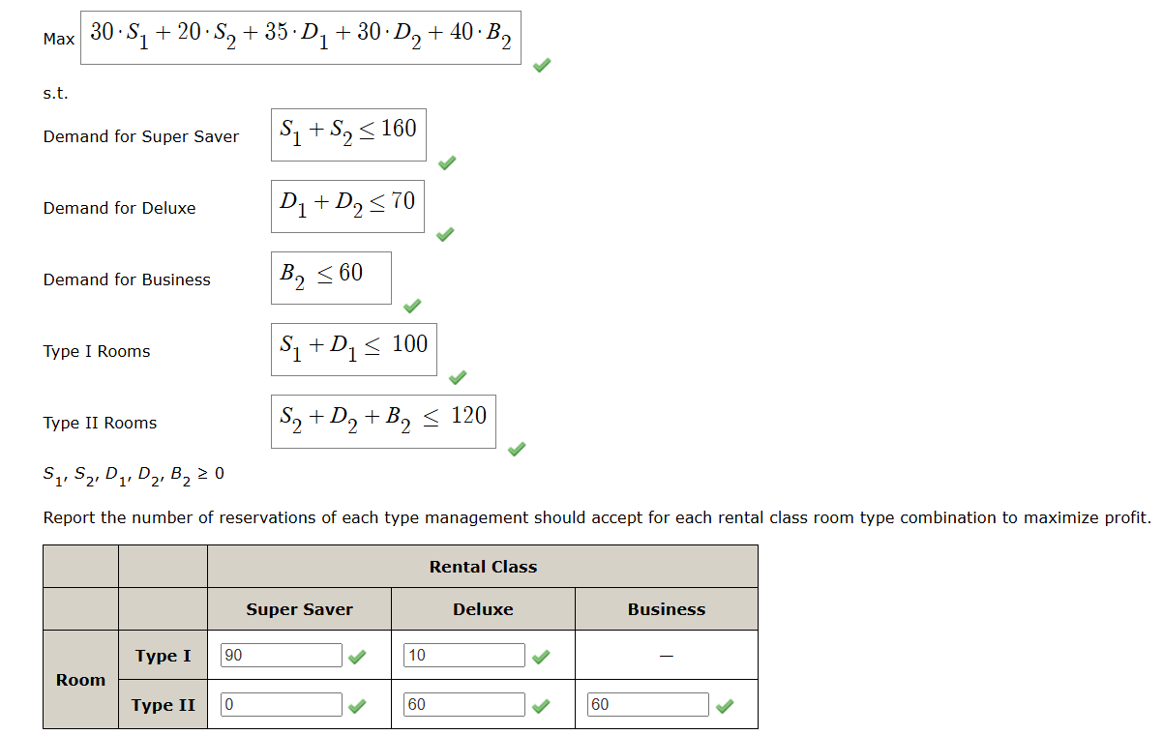
Constraints
Super Saver | 90 | ≤ | 160
Deluxe | 70 | ≤ | 70
Business | 60 | ≤ | 60
Type1 | 100 | ≤ | 100
Type 2 | 120 | ≤ | 120

(b)
Super Saver | 90
Deluxe | 70
Business | 60
(c )
 | 70
(d) | $30 | from shadow pricein sensitivity report

